Sheet1
INPUTS |  |  | OUTPUTS
Desired System Parameters |  |  | Desired Performance Characteristics
50.00 | lbf | System weight | 4.57 | W | Wheel output power
4.00 | in | Wheel radius | 6.52 | W | Motor output power
3.00 |  | Support count | 21.75 | W | Motor input power
0.40 |  | Static friction coefficient | 26.67 | lbf-in | Max wheel torque before slip
5.00 | ft/s | Desired cart linear velocity | 2.69 | lbf-in | Wheel torque
0.25 | ft/s^2 | Desired acceleration | 43.12 | oz-in
0.25 | degrees | Climb angle | 15.00 | rad/s | Wheel angular velocity
12.00 | V | Motor voltage | 143.24 | RPM

Off-the-Shelf Gear Characteristics |  |  | Target Motor Characteristics
0.70 |  | Gear efficiency | 1.18 |  | Gear ratio
1.00 | in | Input gear radius | 52.20 | oz-in | Required motor torque
1.18 | in | Output gear radius | 169.02 | RPM | Target angular velocity
 |  |  | 6.52 | W | Target motor output power | 3678.03 | clicks/second

Motor Characteristics |  |  | System Performance, Off-the-Shelf Motor
0.30 |  | Motor efficiency | 52.20 | oz-in | Motor output torque
2.00 |  | Motor count | 183.90 | RPM | Motor output speed
 |  |  | 1.28 |  | Motor-driven gear ratio
 |  |  | 7.10 | W | Off-the-shelf motor output power
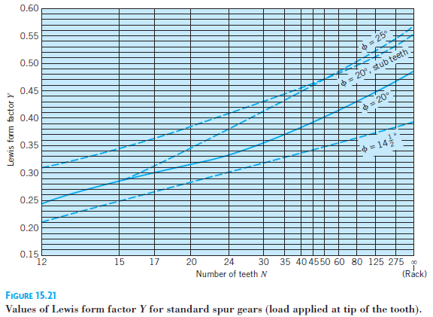
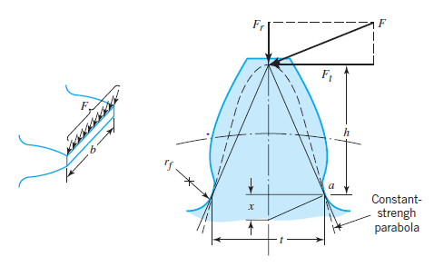
 |  |  | 43.12 | oz-in | Off-the-shelf wheel torque
 |  |  | 155.85 | RPM | Off-the-shelf wheel angular velocity
 |  |  | 5.44 | ft/s | Cart linear velocity
 |  |  | 1.97 | A | Motor supply current

Gear Tooth Stress Analysis, Additional Parameters |  |  | Gear Tooth Stress Analysis Results
3.26 | lbf | Tangential force, F_t | 0.39 | ksi | Input gear tooth stress
48.00 |  | Pitch, P | 38.31 |  | Input gear tooth safety factor
0.13 | in | Input width, b | 0.24 | ksi | Output gear tooth stress
0.20 |  | Input Lewis form factor, Y | 61.30 |  | Output gear tooth safety factor
15.00 | ksi | Input yield strength
0.13 | in | Output width, b
0.32 |  | Output Lewis form factor, Y
15.00 | ksi | Output yield strength

Driveshaft Bending Analysis, Additional Parameters |  |  | Driveshaft Bending Stress Analysis Results
0.38 | in | Diameter | 16.10 | ksi | Shaft bending stress
5.00 | in | Cantilevered length | 2.49 |  | Shaft bending safety factor
40.00 | ksi | Yield strength

